Dashboard
Yellevate Disputes and Lost

Average days to Settle Vs Company Payment Timeline: By YEAR Comparison for DISPUTES ONLY
 | days_settled | Company days settled
Qtr1 | 37 | 30
Qtr2 | 40 | 30
Qtr3 | 37 | 30
Qtr4 | 37 | 30
Qtr1 | 38 | 30
Qtr2 | 37 | 30
Qtr3 | 34 | 30
Qtr4 | 28 | 30
Average days to Settle Vs Company Payment Timeline: By Year
 | days_settled | Company days settled
Qtr1 | 29 | 30
Qtr2 | 28 | 30
Qtr3 | 27 | 30
Qtr4 | 27 | 30
Qtr1 | 26 | 30
Qtr2 | 25 | 30
Qtr3 | 24 | 30
Qtr4 | 22 | 30

Task 1
Task 2

Percentage of revenue (USD) lost from disputes
 | Total
lost | 18.41%
won | 81.59%
Country with Highest Dispute Loss
 | Total
2020 | $9,452
2021 | $13,484
2020 | $17,046
2020 | $55,947
2021 | $25,344
2020 | $175,631
2021 | $350,633
2020 | $9,225
2021 | $33,405
Task 4
Overall Percentage of Disputes
 | Total
lost | 17.69%
won | 82.31%
Task 3

Task 5

FURTHER ANALYSIS

Number of Disputed cases per country by Year
 | Total
2020 | 27
2021 | 32
2020 | 30
2021 | 31
2020 | 35
2021 | 45
2020 | 77
2021 | 72
2020 | 110
2021 | 112
Overall of Revenue (USD) EARNED for 2020&2021
 | Total
2020 | $1,386,066
2021 | $1,329,075
2020 | $835,243
2021 | $782,559
2020 | $1,222,740
2021 | $1,146,175
2020 | $1,814,840
2021 | $1,601,187
2020 | $2,080,217
2021 | $1,882,049

Clients with the Highest # of Cases Lost
 | Series1
3448-OWJOT 2021 | 8
3448-OWJOT 2020 | 4
9725-EZTEJ 2021 | 4
9725-EZTEJ 2020 | 7
4632-QZOKX 2021 | 5
4632-QZOKX 2020 | 3
9771-QTLGZ 2021 | 6
9771-QTLGZ 2020 | 2
7600-OISKG 2021 | 5
7600-OISKG 2020 | 3
Unpaid Country by year with Disputes
 | Total
2021 | 8.31%
2020 | 8.57%
2021 | 5.71%
2020 | 4.68%
2021 | 14.29%
2020 | 12.99%
2021 | 15.06%
2020 | 18.96%
2021 | 5.45%
2020 | 5.97%

SQL Querys
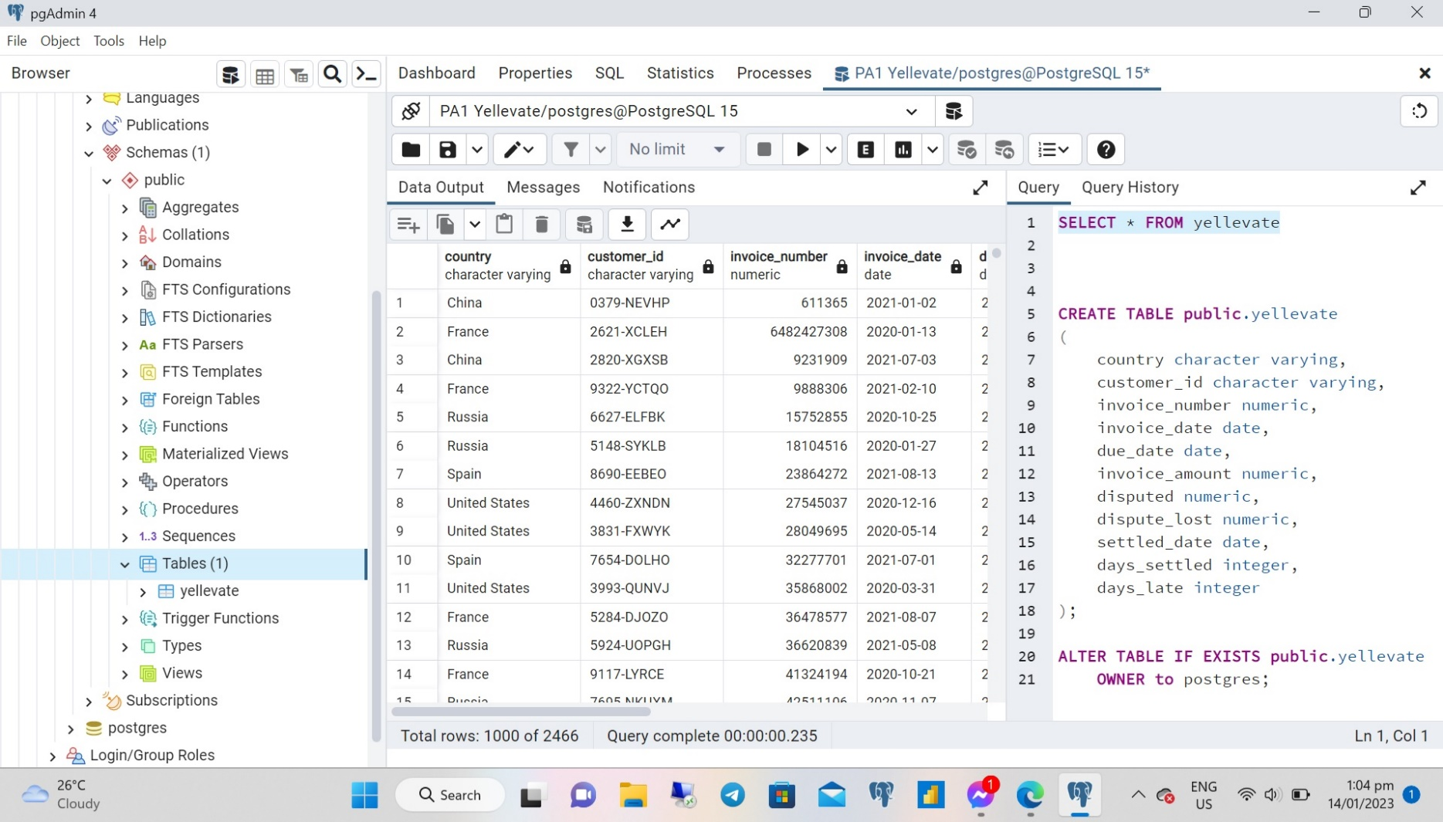
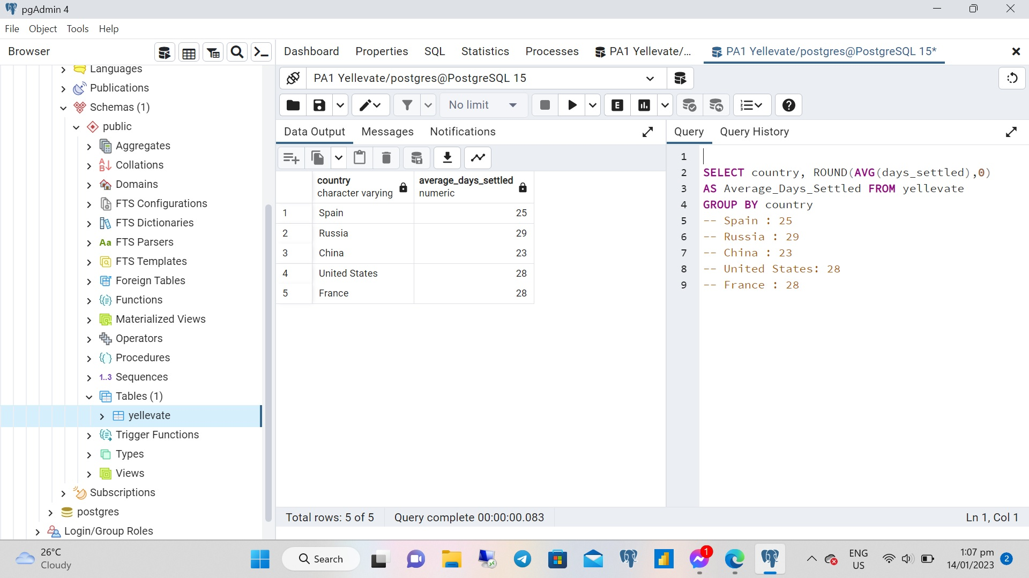

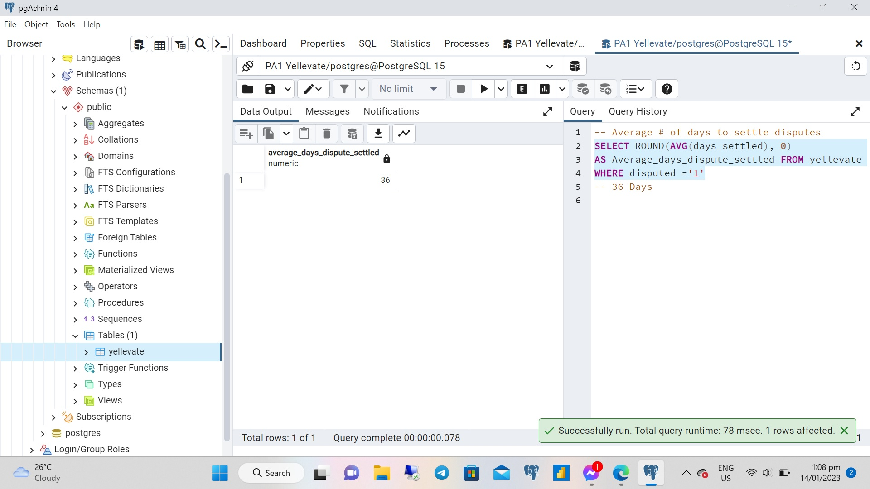
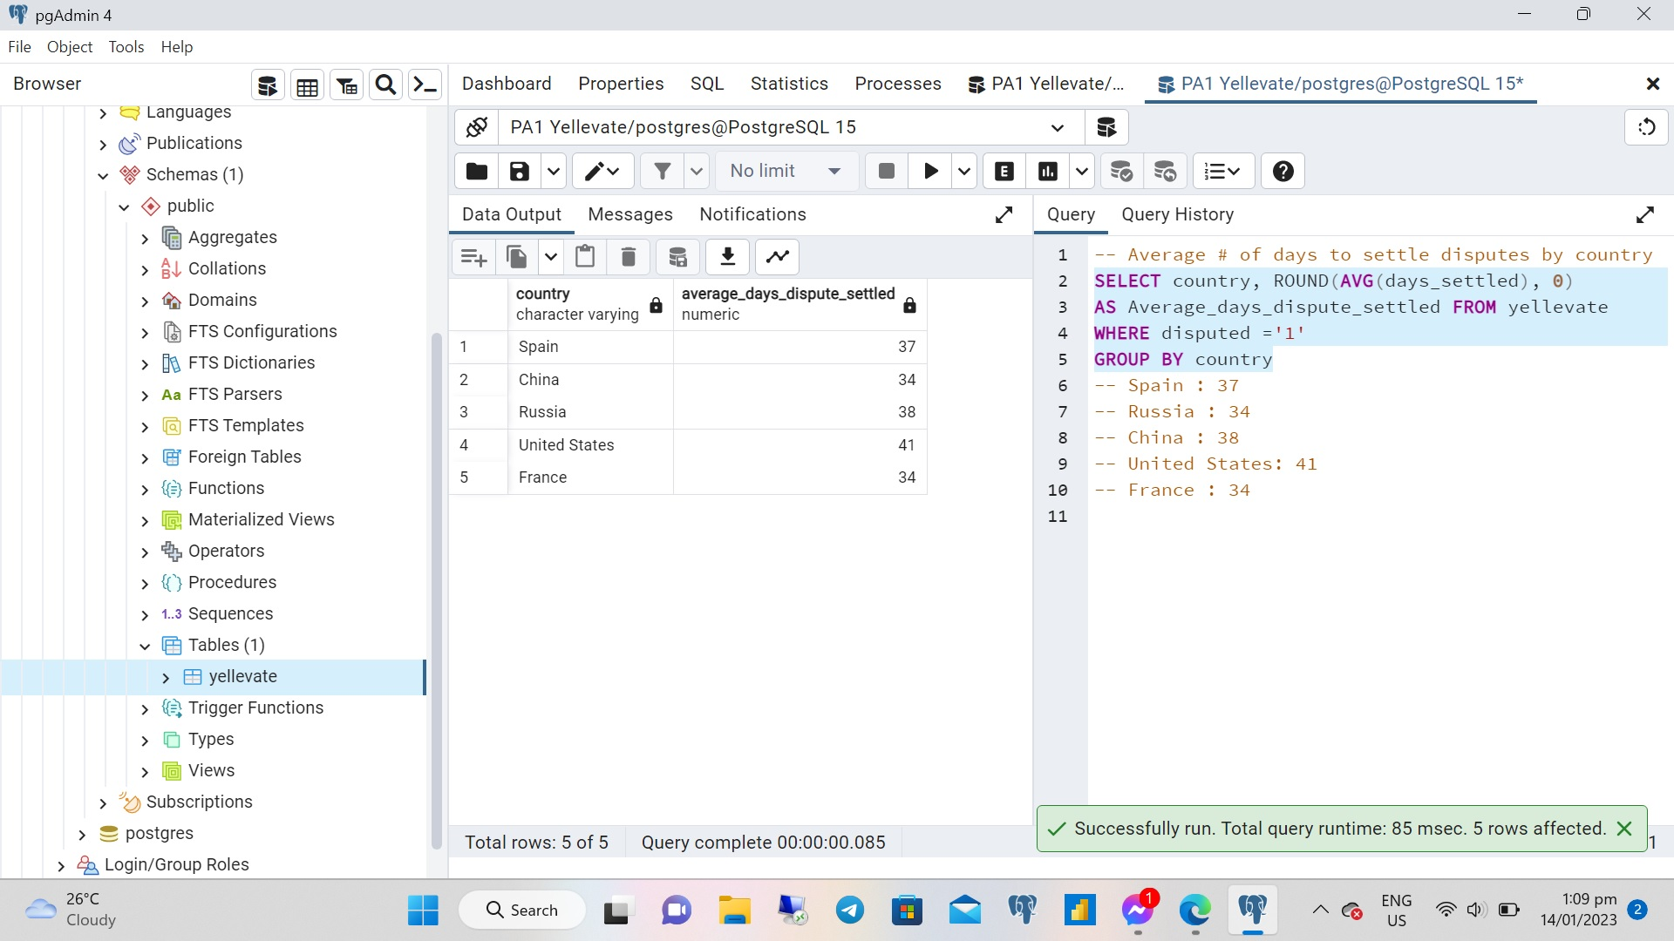

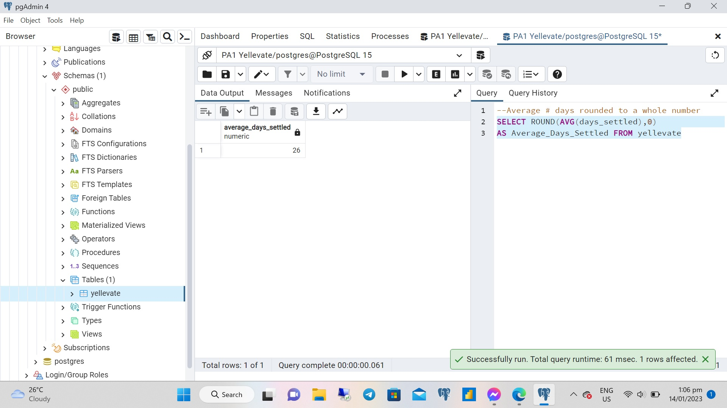
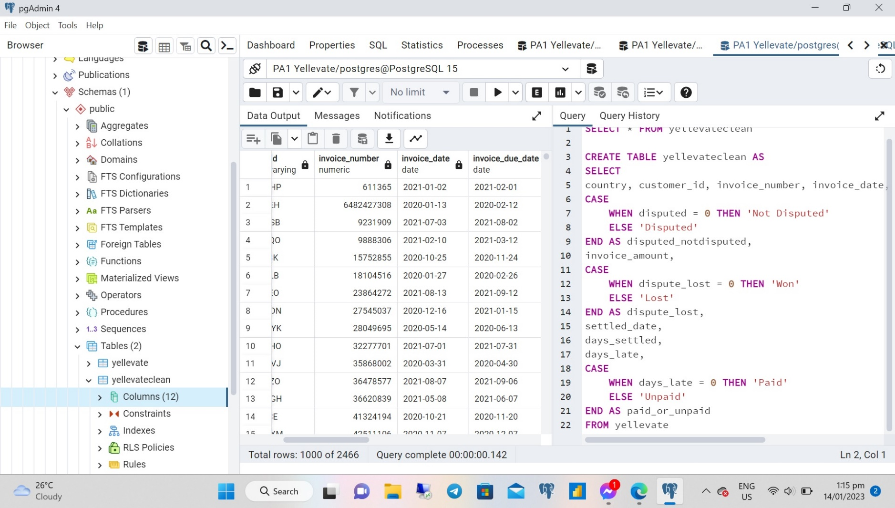

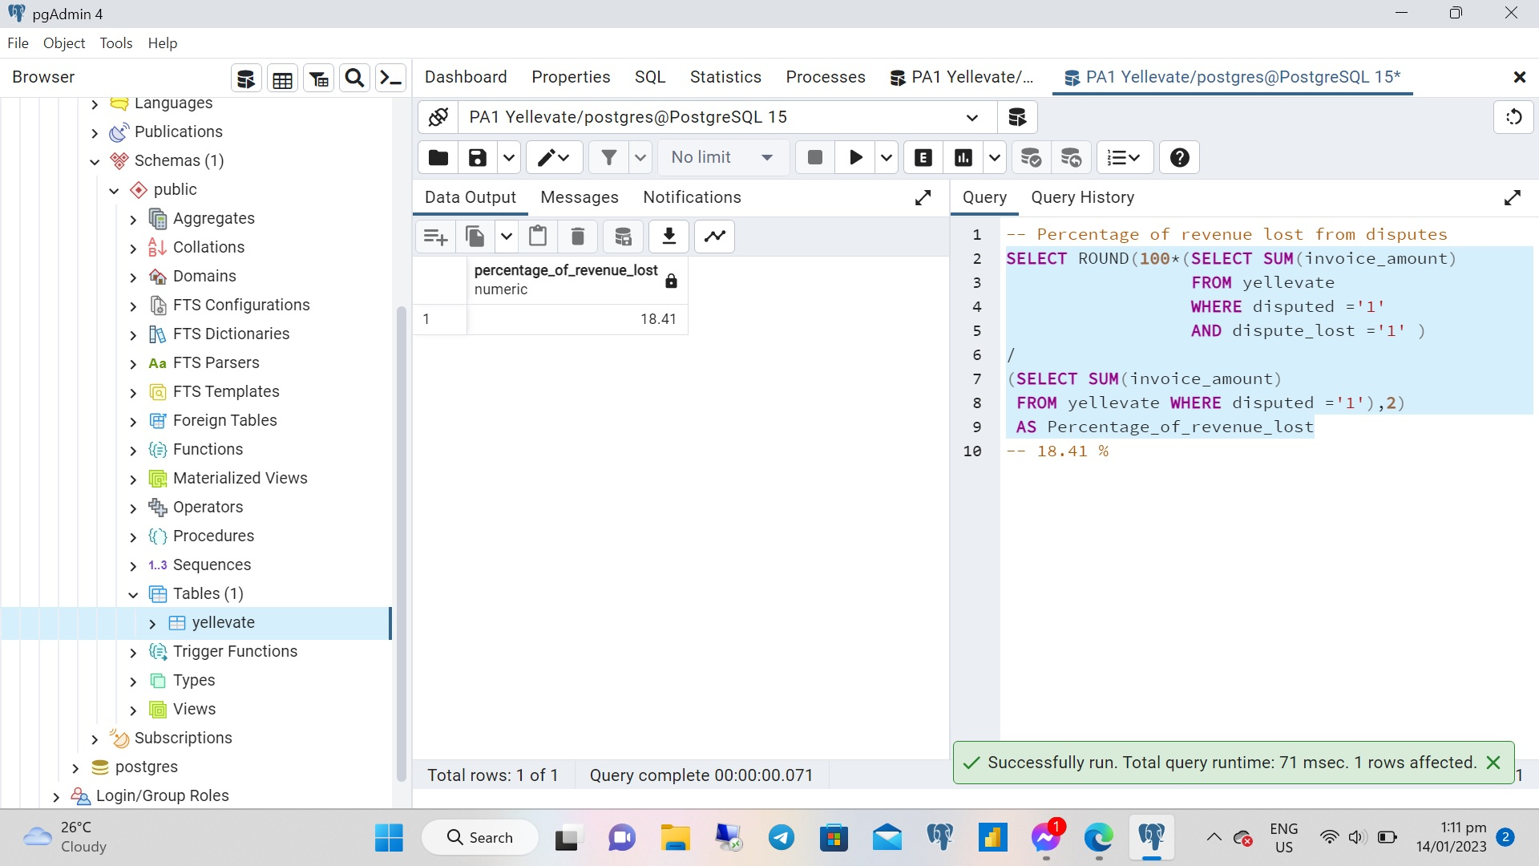
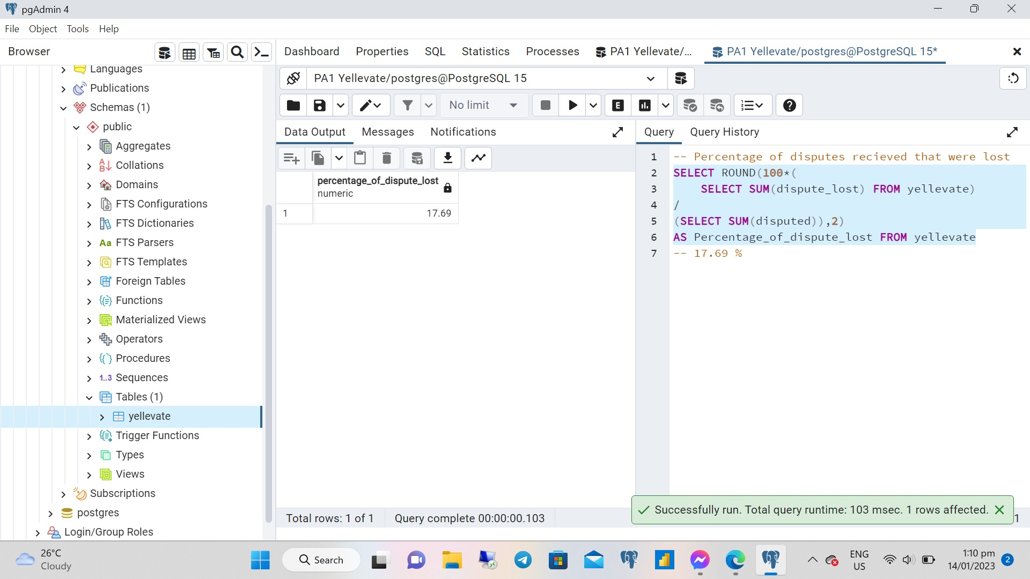

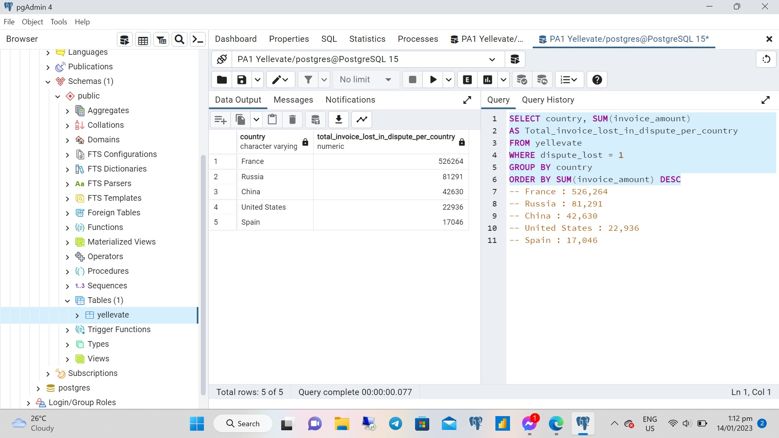

Pivot Tables
Task 1
country | All
Average days to Settle Vs Company Payment Timeline: By Year
 | days_settled | Company days settled
Qtr1 | 29 | 30
Qtr2 | 28 | 30
Qtr3 | 27 | 30
Qtr4 | 27 | 30
Qtr1 | 26 | 30
Qtr2 | 25 | 30
Qtr3 | 24 | 30
Qtr4 | 22 | 30
Row Labels | days_settled | Company days settled
2020
Qtr1 | 29 | 30 |  | Task 3
Qtr2 | 28 | 30 |  | Row Labels | Count of disputed_notdisputed
Qtr3 | 27 | 30 |  | Disputed
Qtr4 | 27 | 30 |  | lost | 17.69%
2021 |  |  |  | won | 82.31%
Overall Percentage of Disputes
 | Total
lost | 17.69%
won | 82.31%
Qtr1 | 26 | 30
Qtr2 | 25 | 30
Qtr3 | 24 | 30
Qtr4 | 22 | 30

Average days to Settle Vs Company Payment Timeline: By YEAR Comparison for DISPUTES ONLY
 | days_settled | Company days settled
Qtr1 | 37 | 30
Qtr2 | 40 | 30
Qtr3 | 37 | 30
Qtr4 | 37 | 30
Qtr1 | 38 | 30
Qtr2 | 37 | 30
Qtr3 | 34 | 30
Qtr4 | 28 | 30
Task 2
country | All
disputed_notdisputed | Disputed

Row Labels | days_settled | Company days settled
2020
Qtr1 | 37 | 30
Qtr2 | 40 | 30
Qtr3 | 37 | 30
Qtr4 | 37 | 30
2021
Qtr1 | 38 | 30
Qtr2 | 37 | 30 |  | disputed_notdisputed | Disputed
Qtr3 | 34 | 30 |  | dispute_lost | lost
Country with Highest Dispute Loss
 | Total
2020 | $9,452
2021 | $13,484
2020 | $17,046
2020 | $55,947
2021 | $25,344
2020 | $175,631
2021 | $350,633
2020 | $9,225
2021 | $33,405
Qtr4 | 28 | 30 |  | Task 5
 |  |  |  | Country | Amount
 |  |  |  | United States
 |  |  |  | 2020 | $9,452
disputed_notdisputed | Disputed |  |  | 2021 | $13,484
Task 4 |  |  |  | Spain
Percentage of revenue (USD) lost from disputes
Row Labels | Sum of invoice_amount |  |  | 2020 | $17,046
lost | 18.41% |  |  | Russia
won | 81.59% |  |  | 2020 | $55,947
 |  |  |  | 2021 | $25,344
 |  |  |  | France
 |  |  |  | 2020 | $175,631
 |  |  |  | 2021 | $350,633
 |  |  |  | China
 |  |  |  | 2020 | $9,225
 |  |  |  | 2021 | $33,405

FURTHER ANALYSIS

Number of Disputed cases per country by Year
Overall of Revenue (USD) EARNED for 2020&2021
 | Total
2020 | $1,386,066
2021 | $1,329,075
2020 | $835,243
2021 | $782,559
2020 | $1,222,740
2021 | $1,146,175
2020 | $1,814,840
2021 | $1,601,187
2020 | $2,080,217
2021 | $1,882,049
disputed_notdisputed | Disputed |  |  |  | disputed_notdisputed | All
Extra 1 |  |  |  |  | dispute_lost | won
Country | Count of disputed_notdisputed |  |  |  | Extra 4
Spain | 59 |  |  |  | Country | Amount
2020 | 27 |  |  |  | United States
2021 | 32 |  |  |  | 2020 | $1,386,066
China | 61 |  |  |  | 2021 | $1,329,075
2020 | 30 |  |  |  | Spain
2021 | 31 |  |  |  | 2020 | $835,243
United States | 80 |  |  |  | 2021 | $782,559
2020 | 35 |  |  |  | Russia
2021 | 45 |  |  |  | 2020 | $1,222,740
Russia | 149 |  |  |  | 2021 | $1,146,175
2020 | 77 |  |  |  | France
2021 | 72 |  |  |  | 2020 | $1,814,840
France | 222 |  |  |  | 2021 | $1,601,187
2020 | 110 |  |  |  | China
2021 | 112 |  |  |  | 2020 | $2,080,217
 |  |  |  |  | 2021 | $1,882,049

Clients with the Highest # of Cases Lost
 | Total
3448-OWJOT 2021 | 8
3448-OWJOT 2020 | 4
9725-EZTEJ 2021 | 4
9725-EZTEJ 2020 | 7
4632-QZOKX 2021 | 5
4632-QZOKX 2020 | 3
9771-QTLGZ 2021 | 6
9771-QTLGZ 2020 | 2
7600-OISKG 2021 | 5
7600-OISKG 2020 | 3
Top 3 Country Won Disputes
 | dispute_lost | lost
 | Extra 2
 | Country | Count of dispute_lost |  |  | disputed_notdisputed | Not Disputed
 | 3448-OWJOT | 12 |  |  | dispute_lost | won
 | 2021 | 8 |  |  | Extra 5
 | 2020 | 4 |  |  | Country | Amount | Amount in %
 | 9725-EZTEJ | 11 |  |  | United States | $2,261,948 | 20.52%
 | 2021 | 4 |  |  | Spain | $1,371,393 | 12.44%
 | 2020 | 7 |  |  | Russia | $1,433,823 | 13.01%
 | 4632-QZOKX | 8 |  |  | France | $2,384,050 | 21.63%
 | 2021 | 5 |  |  | China | $3,570,360 | 32.39%
 | 2020 | 3
 | 9771-QTLGZ | 8
 | 2021 | 6
 | 2020 | 2
 | 7600-OISKG | 8
 | 2021 | 5
Top 3 Country Lost Disputes
 | Amount | Amount in %
 | $42,630 | 6.18%
 | $81,291 | 11.78%
 | $526,264 | 76.25%
2020 | $5,395 | 0.78%
2020 | $5,626 | 0.82%
2020 | $4,531 | 0.66%
2020 | $1,494 | 0.22%
2021 | $4,488 | 0.65%
2021 | $8,996 | 1.30%
2020 | $9,452 | 1.37%
 | 2020 | 3

 |  |  |  |  | disputed_notdisputed | Disputed
 |  |  |  |  | dispute_lost | lost
 |  |  |  |  | Extra 6
 |  |  |  |  | Country | Amount | Amount in %
 |  | disputed_notdisputed | Disputed |  | China | $42,630 | 6.18%
 |  | Extra 3 |  |  | Russia | $81,291 | 11.78%
 |  | Country | Count of paid_or_unpaid |  | France | $526,264 | 76.25%
Unpaid Country by year with Disputes
 |  | United States | 16.88% |  | Spain
 |  | unpaid | 16.88% |  | 1408-OQZUE
 |  | 2021 | 8.31% |  | 2020 | $5,395 | 0.78%
 |  | 2020 | 8.57% |  | 6177-VTITE
 |  | Spain | 10.39% |  | 2020 | $5,626 | 0.82%
 |  | unpaid | 10.39% |  | 6296-UKEUZ
 |  | 2021 | 5.71% |  | 2020 | $4,531 | 0.66%
 |  | 2020 | 4.68% |  | 9883-SDWFS
 |  | Russia | 27.27% |  | 2020 | $1,494 | 0.22%
 |  | unpaid | 27.27% |  | United States
 |  | 2021 | 14.29% |  | 2026-XLBER
 |  | 2020 | 12.99% |  | 2021 | $4,488 | 0.65%
 |  | France | 34.03% |  | 7228-LEPPM
 |  | unpaid | 34.03% |  | 2021 | $8,996 | 1.30%
 |  | 2021 | 15.06% |  | 7758-WKLVM
 |  | 2020 | 18.96% |  | 2020 | $9,452 | 1.37%
 |  | China | 11.43%
 |  | unpaid | 11.43%
 |  | 2021 | 5.45%
 |  | 2020 | 5.97%

Action Plan
Strategic Action Plan

 | Goal: Minimize Dispute Lost and Revenue Loss (Future Steps to make)

 | Action Step 1: Monitor and handle Accounts with Disputes | Action Step 2: Sette Disputes | Action Step 3: For unsettled Disputes from Action Step 2, know the root cause of the Dispute (Technical) | Action Step 4: For unsettled Disputes from Action Step 2, know the root cause of the Dispute (Commercial) | Action Step 5: For unsettled Disputes from Action Step 2, know the root cause of the Dispute (Legal) | Action Step 6: Revise Accordingly and Implement | Action Step 7: Review and Reflect

Resposible Department | Accounting/Business Development Team | Business Development team/Legal Team | Marketing Team | Procurement Team/Business Development Team/Accounting | Legal Team | Business Development Team/Legal Team | Business Development Team

Resources Needed | Business Development: 1. Estabished Dispute cut-off. Meaning a timeline where Clients is given number of days to examine the serivice provided by Yellevate. After the number of days passed, invoice must be paid on time. 2. Email Notification Template-email notifying Client of the start and due date of Dispute cut-off Accounting: 1. Payment reminder Template-7 days earlier from the 30 days due date | 1. Email Notifications showing constant communication 2. Contract | Feedback Form Templates according to the Service Agreement between Yellevate and Clients with specifics on the Scope of Works that should be provided | Procurement Team-New RFQ/RFPs, Canvass Sheets and Cost Comparison Business Development Team-Determine correct and current cost to charge for the Marketing Services Accounting Team-Study if a more flexible payment terms can be implemented | Current Service Agreement | Business Development Team-Consolidate all files from Accounting, Procurement and Marketing that gives new cost study, scope of works and payment terms Legal Team-Revise Service Agreement reflecting the changes made | Business Development Team-Quarterly review of Accounts' Loss in Revenue Percentage.

Action Plan Purpose | Track and monitor if Delayed payments decreases every month | Lessen the Dispute Lost | To be able to pin-point if the Scope of Works and Quality of Works is the reason for disputes | Knowing the competitive cost of Services according to the current Market/Industry as well as if current payment terms can be more flexible | To know if the current Service Agreement has loopholes disadvantageous to Yellevate | Business Development and Legal Team to initiate termination of Current Service agreement and propose new Service Agreement | The Department should know the current profit margin in every Marketing Project. If Disputes Lost is higher than the profit margin, they should recommend the termination of contract/business with these accounts

Completion Date | We recommend to complete this within a month after presentation. | We recommend to action immediatle after receiving the Dispute notice, if the Dispute Cut-off is 7 days, then completion days is 23 days. | Recommending to send Feedback Form the same time Works are completed or at least same date of invoice date | We recommend to complete this within a month after presentation since quotations may take some time to get. | We recommend to complete this within a month after presentation | We recommend to complete this within 2 month after presentation | Quarterly review

Evidence of Improvement | We should be able to see a decrease in the late payments even with those invoices with Disputes since we stopped Clients raising Disputes on the last minute. | We should be able to see a decrease in Disputes raised since there is cut-off already provided as well as constant reminders. | We should be able to pin point the reason for Dispute if connected to the Scope of Work and Quality of Work | We should be able to pin point the reason for Dispute if connected to Commercial reason (i.e. price competitivenes) | We should be able to pin point the reason for Dispute if connected to Legalities and validity of the contract | We should be able to see a decrease of disputes to a lesser percentage, as well as increase in won disputes in favor of Yellevate We can also pinpoint Clients that still do not follow the new Service Contract and terminate/cease business with them . | Yellevate can filter profitable Business Partners

Summary:
1. Giving a Dispute-Cutoff: a number of days where a Client can raise a Dispute after reviewing the services provided by Yellavate. These can give a limitation to them raising Dispute on the last minute. We can also give Yellevate a considerable amount of time to settle.
2. In tha event of Dispute Loss- Action Step 3 and Step 5 focuses on reviewing the Tehcnical, Commercial and Legal reasons on why there are Disputes in the first place.
3. After knowing the loopholes in Technical, Commercial and Legal, we can now revise accordingly and propose a new agreement.
4. In the event that the following steps did not lessen the losses per account, Step 7 will be the basis for the recommendation of terminating accounts. A quarterly review of all accounts. Filtering the profitable business to those that are not.

Further Analysis:
Yellevate The company should not rely on mere assumptions as to why disputes rises. Firstly, there should be a checklist or a feedback forms from the clients as to the quality of service provided to assure the completeness of the services rendered by the company. In addition, The company must also review the component of its Marketing Service Agreement such as the Statement of Work and its Standard Terms for technicalities which may be causing the disputes. Here are some measure with regards to dealing delinquent clients ◦ Send an email to notify them. ◦ Have a contract snd make payment terms clear ◦ Don’t let a customer’s debt build up too much. ◦ Communicate with the client ro know the reasons for the delay in payments ◦ Get in touch with the person in charge or someone within the organization to see if they can assist. ◦ Offer easier payment term like installment. ◦ Seek legal advice as a last resort.

